Planilha1
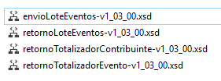
 | v 1.2 | v 1.3
 | 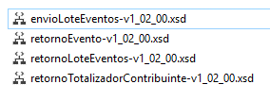

wsdl /l:C# /out:D:\FileName.cs D:\FileName.wsdl

